DefectReport
# | Summary | Description | Steps to reproduce | Repro-ducibility | Severity | Priority | Symptom
id-1 | The application allows you to enter values higher than 9999 | 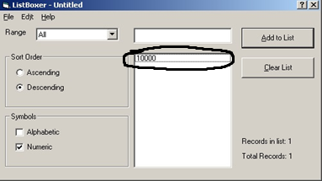 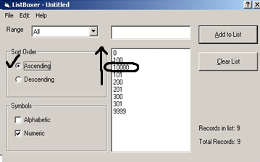 In the application, it is possible to enter the numeric value "10000" in numeric mode. The app recognizes the value "10000" as a value between 100 and 101. Exp: The application must not accept a value higher than "9999". Act: The application accepts a value higher than "9999". | 1. Open the app. 2. Select the number mode. 3. Enter the value "10000" in the input field. | Always | Medium | Normal | Variance from specs
id-2 | The range "300-9999"is named incorrectly. | 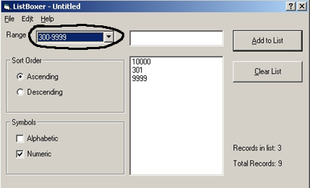 Invalid "300-9999" range name. The range "300-9999" does not display the value " 300". Exp: The name of the range should be "301-9999". Act: The name of the range is "300-9999". | 1. Open the app. 2. Select the number mode. 3. Select the range "300-9999". 4. Enter the value "301". 5. Enter the value "300" | Always | Medium | Normal | Cosmetic Flaw
id-3 | The application takes the value "$" in the input field. |  In "Alphabetical" mode the application takes the value " $ " in the input field. The value " $ " is only displayed in the "Mixed" mode with the "All" range. Ext: The application should only accept the values "a-z" and "0-9999". Act: The application takes the value"$". | 1. Open the app. 2. Select the "Alphabetic" mode. 3. In the input field, enter the value"$". | Always | Minor | Normal | Variance from specs
id-4 | The range tab contains an empty range. | 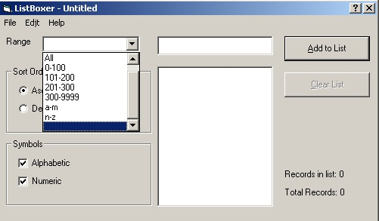 The range tab contains an empty range. Ext: The range tab must contain the ranges described in the specification. Act: The range tab contains an empty range. | 1. Open the app 2. Open the range tab | Always | Major | Normal | Variance from specs
id-5 | The filter does not work correctly in case of working with mixed values | 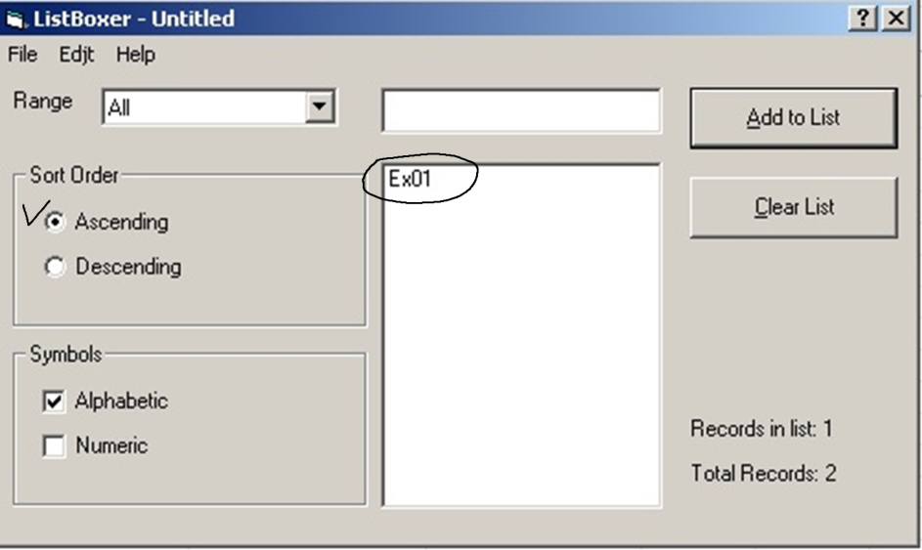 In case of starting mixed values with letters, they displayed in the "Alpabetic" mode. Ext: Mixed data should only be displayed in "Mixed" mode. Act: Mixed data is displayed in "Alphabetic" mode. | 1. Open the app 2. Select "Mixed" mode. 3. In the input field enter a mixed value which starts with a letter. 4. Add to list 5. Select "Alphabetic" mode. 6. Range select "All". | Always | Major | Normal | Incorrect operation
id-5 | The Undo command leaves an empty value in the list. | The Undo command leaves an empty value in the list if only one value is entered in the list before using the Undo command. Ext: When the Undo command runs, the value shouldn't remain in the list. Act: When the Undo command runs, an empty value is left in the list. | 1. Open the app. 2. Select any mode. 3. Enter any valid value. 4. Use the Undo command in the Edit tab . | Always | Medium | Normal | Incorrect operation
id-6 | After saving a value list and opening it again, the first value in the list becomes empty |  When the file is opened after saving, the first value in the list is empty. Ext: All values in the list must be saved. Act: When the file is opened after saving, the first entered value in the list disappears. | 1. Open the app. 2. Select any mode. 3. In the input field to enter valid values. 4. In the File tab, use Save As with any valid name. 5. In the File tab, use Open and open a previously saved file. | Always | Major | Normal | incorrect operation
id-7 | An empty value is added to the list when the "Open" function is used twice | 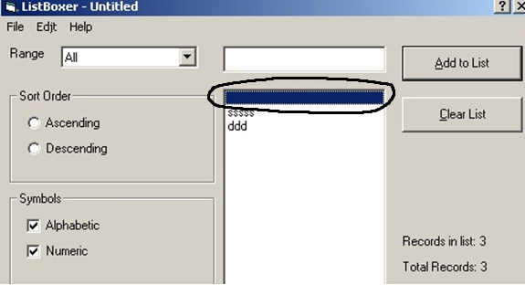 If the "Open" function is used twice in the same working session, an empty value is added to the list. Ext: In case of opening the file twice, the application should not make changes to the list. Act: In case of opening the file twice, an empty value is added to the list. | Preparations: Prepare a valid file with any valid values in advance. 1. Open the app. 2. Open a previously prepared valid file with valid values using "Open" from the "File" tab. 3. Repeat Step 2. | Always | Medium | Normal | Incorrect operation
id-8 | The Descending function doesn't work correctly. | In case of using the Descending function, the last and penultimate values are sorted incorrectly. Ext: The descending function should sort values correctly. Act: The Descending function does not sort values correctly. | 1. Open the app 2. Enter several valid values in the list in any mode. 3. Use the Descending function. | Always | Medium | Normal | Incorrect operation
id-9 | Ability to add an empty value to the list. | 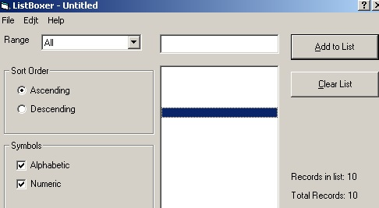 To add an empty value to the list by pressing button "Add to list" or by pressing the Enter button on the keyboard. Ext: An empty value shouldn't be added to the list. Act: An empty value is added to the list. | 1. Open the app 2. Press button "Add to list" or press Enter button on the keyboard. | Always | Major | Normal | Incorrect operation
id-10 | The application doesn't correctly recognize numbers containing "0"at the beginning. | 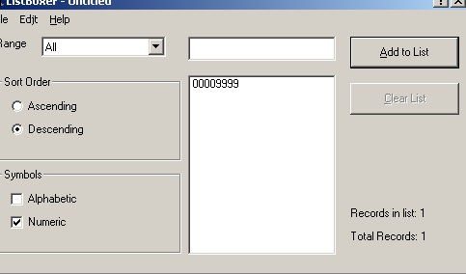 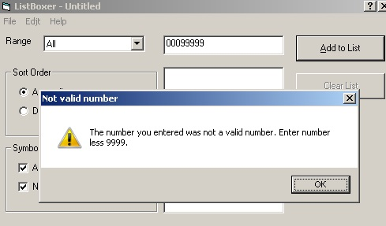 The application doesn't correctly recognize numbers containing "0"at the beginning. Numbers starting with " 0 "are recognized by the application as numbers without "0". Ext: Not described in the specification. Act: Not described in the specification. | 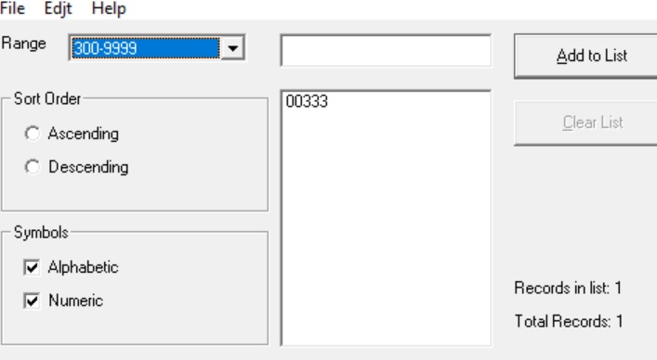 1. Open the app 2. In the input field, enter the value "00333". 3. To select a range "301-9999". | Always | Medium | Low | Incorrect operation
id-11 | The Clear List function is not available | 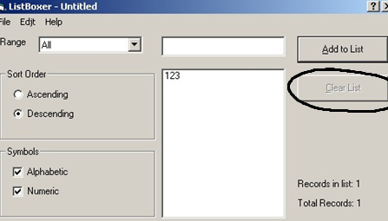 If only one value is entered in the list , the clear list function is not available. Ext: The Clear List function must be available. Act: The Clear List function is not available. | 1. Open the app 2. Select any mode. 3. In the input field to enter valid values. | Always | Medium | Low | Incorrect operation
id-12 | In Mixed Mode, it is possible in the list to enter a number higher than 9999. | 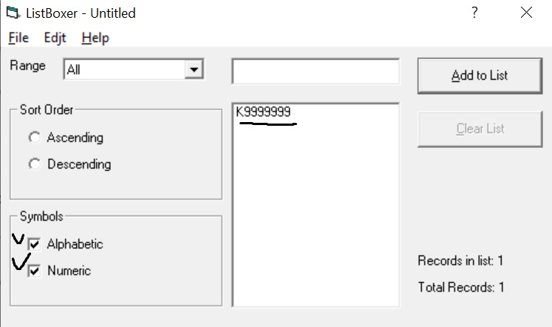 If select Mixed Mode and enter a value starting with a letter in the input field, it becomes possible to enter a number higher than 9999. Ext: Entering a number higher than 9999 is not allowed. Act: It is possible to enter a value higher than 9999. | 1. Open the app 2. Select "Mixed" mode. 3. In the input field, enter a value starting with a letter and ending with a number higher than 9999. 4. Click Add to List | Always | Medium | Normal | Incorrect operation
id-13 | In Numeric mode, you can enter a value longer than 4 characters. | 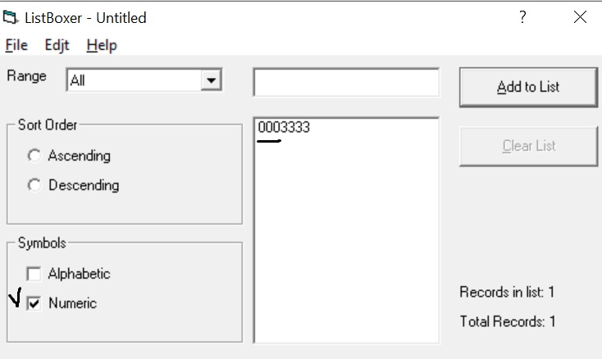 In Numeric mode, if you enter a value that starts with "0" in the input field, it becomes possible to enter a value longer than 4 symbols (maximum 8 symbols) Ext: A line’s length is from 1 to 4 symbols. Act: The length of the string is more than 4 symbols (maximum 8 symbols) | 1. Open the app 2. Select "Numeric" mode. 3. Enter a numeric format value in the input field 0****. 4. Click Add to List | Always | Medium | Normal | incorrect operation
id-14 | The Copy command is blocked. | The Copy command cannot be executed in the Edit menu. Ext: The program allows you to copy information at any time using the Copy command in the Edit menu. Act: The Copy command is blocked. | 1. Open the app 2. Select any mode. 3. In the input field, enter any valid value and select it. 4. Click Copy in the Edit menu. | Always | Major | Normal | Missing feature
id-15 | The Cut command is blocked. | The Cut command cannot be executed in the Edit menu. Ext: The program allows you to cut information at any time using the Copy command in the Edit menu. Act: The Cut command is blocked. | 1. Open the app 2. Select any mode. 3. In the input field, enter any valid value and select it. 4. Click Cut in the Edit menu. | Always | Major | Normal | Missing feature
id-16 | The Paste command is blocked. | The Paste command cannot be executed in the Edit menu. Ext: The program allows you to paste the copied information at any time using the Paste command in the Edit menu. Act: The Paste command is blocked. | 1. Open the app 2. Select any mode. 3. Copy any valid value to the clipboard. 4. Set the cursor in the input field. 5. Click Paste in the Edit menu. | Always | Major | Normal | Missing feature
id-17 | The application processes files of an invalid format. | 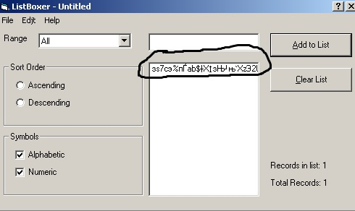 If to select the Open function in the File menu (or to call it with the keyboard shortcut Ctrl+O) and select "All files" from the drop-down menu in the lower right corner, it becomes possible to open a file of an invalid format. Ext: The application should show an error message when trying to open a file of an invalid format. Act: The application opens files of an invalid format. | Preparations: Prepare a file up to 30 KB in an invalid format. 1. Open the app 2. Select Open from the Edit menu ( or press ctrl+O). 3.In the lower-right corner, select "All files"from the drop-down list. 4. Select the previously prepared file. | Always | Medium | Normal | incorrect operation

